Bug Report
NO. | BUG REPORT ID | SUMMARY | STEP TO REPRODUCE | ACTUAL RESULT | EXPECTED RESULT | SEVERITY | PRIORITY | ATTACHMENT
1 | SD-LGN-BUG-001 | The display of the truncated alert is not clearly visible | - Env : Production | https://www.saucedemo.com - Platform : Web (Google Chrome) - Test data : standard_user/secret_sauce - Steps : 1. Open the website https://www.saucedemo.com 2. Fill in the test data in the login column with invalid credentials 3. Click "Login" | The alert display is cut off and not clearly visible | The alert display is clearly visible | MINOR | MEDIUM | 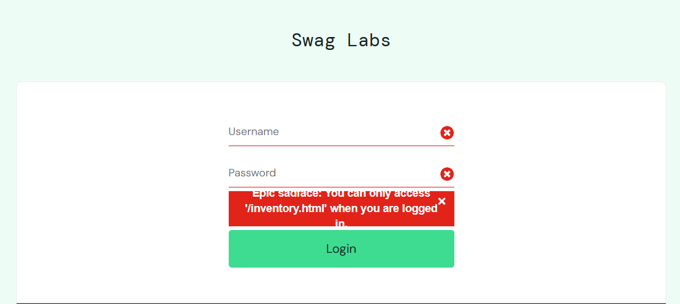
2 | SD-LGN-BUG-002 | Login unexpectedly succeeds with no internet | - Env: Production [https://www.saucedemo.com] - Platform: Web (Google Chrome) - Test data: standard_user/secret_sauce - Steps: 1. Disable internet connection 2. Open saucedemo.com 3. Input valid credentials 4. Click "Login" | Login process continues and redirects user to product page | System should block login and show "No connection" error | CRITICAL | HIGH | 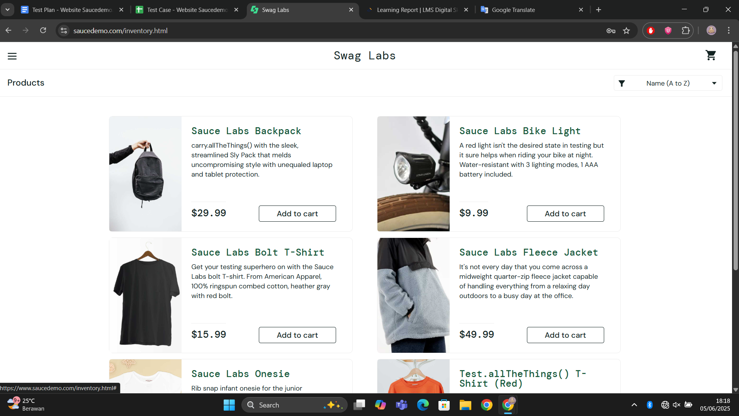
3 | SD-LGN-BUG-003 | Session not maintained after page reopened | - Env: Production [https://www.saucedemo.com] - Platform: Web (Google Chrome) - Test data: standard_user/secret_sauce - Steps: 1. Login successfully 2. Close browser/tab 3. Reopen saucedemo.com | User is redirected back to login page | User is redirected directly to product page if session is valid | MINOR | MEDIUM | 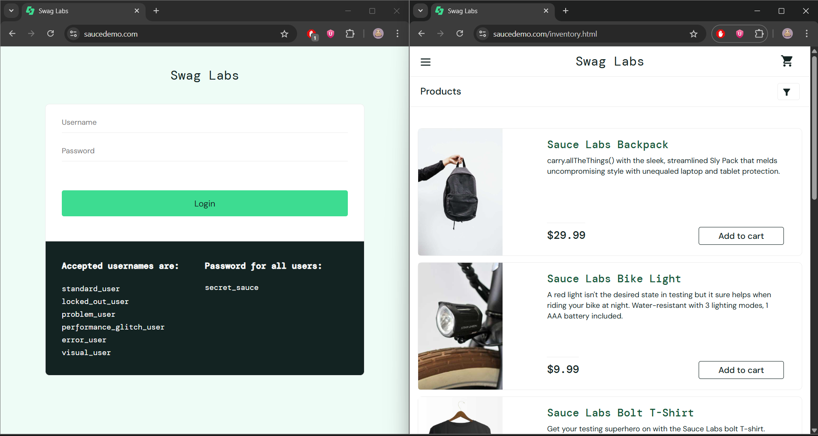
4 | SD-SRT-BUG-001 | Sorting state resets after page refresh | - Env: Production [https://www.saucedemo.com] - Platform: Web (Google Chrome) - Steps: 1. Login 2. Select sorting option (e.g. Price High to Low) 3. Refresh the page | Selected sorting resets to default (“Name A to Z”) | Sorting remains based on the last selected option | MINOR | LOW | 